Configuration
Setup Maven Build Project

 | A.) Configure Jenkins with JDK

 | Go to Manage Jenkins, then click Global Tool Configuration (for the old version of jenkins click Configure System)
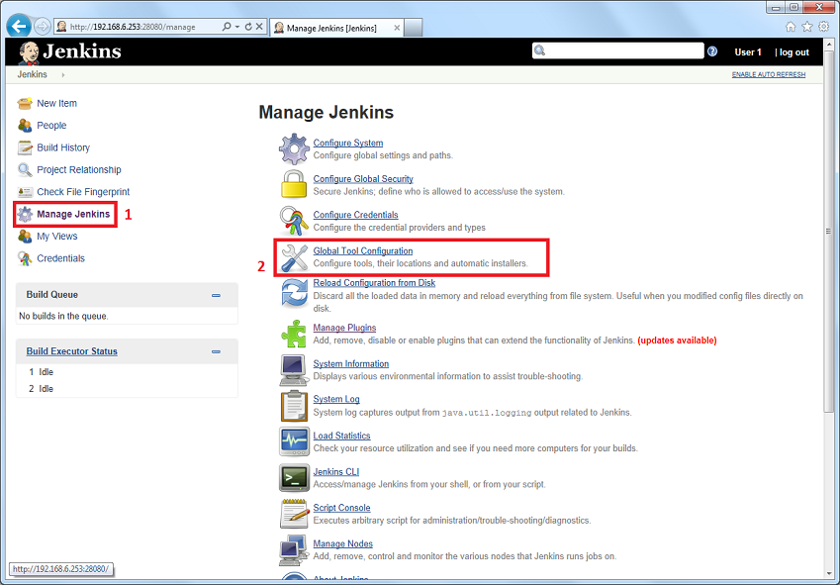

 | Find JDK section, then click JDK Installations button
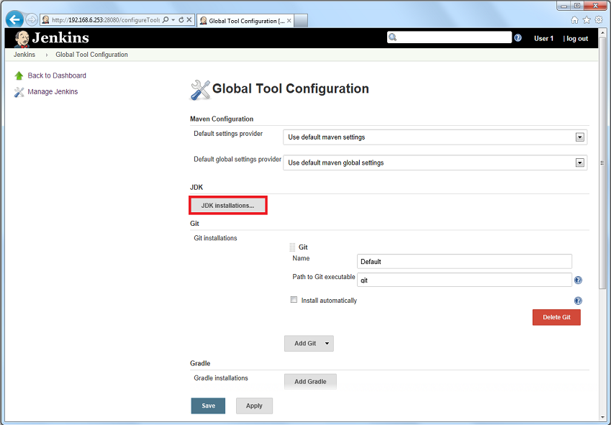

 | After details for JDK displayed,
 | 1. Input Name for the JDK
 | 2. Check Install automatically
 | 3. Install from java.sun.com, then select a Java SE Development Kit version (version 8 is recommended)
 | 4. Check license aggrement for JDK
 | 5. Click Apply
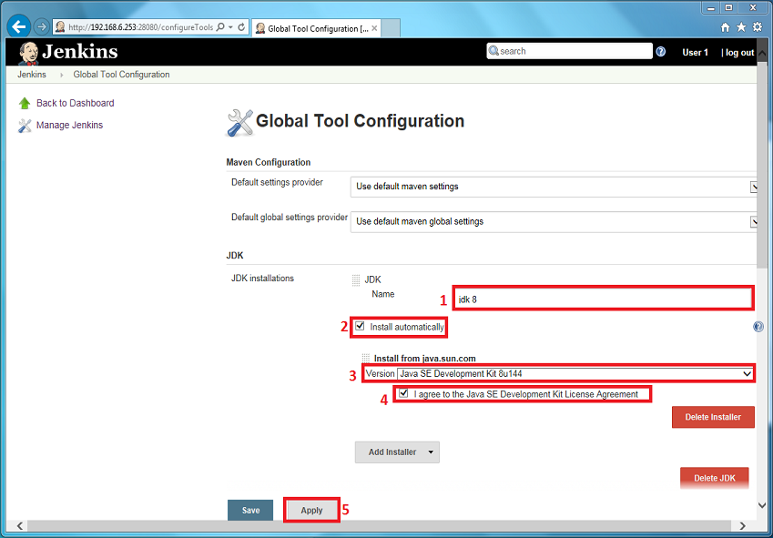

 | B.) Configure Jenkins with Maven

 | From Global Tool Configuration, find Maven section then click Maven Installations..
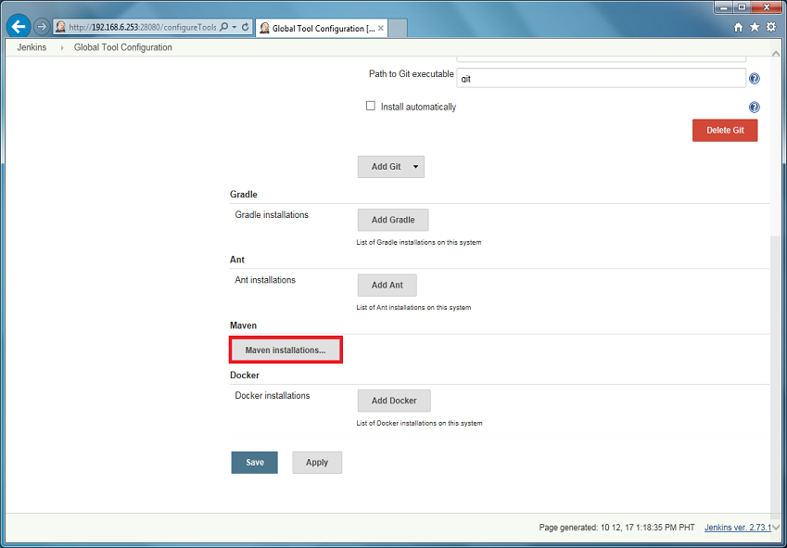

 | After details for Maven displayed,
 | 1. Input Name for Maven
 | 2. Check Install automatically
 | 3. Select an Apache Maven version (default version is latest <<3.5.0>>)
 | 4. Click Save
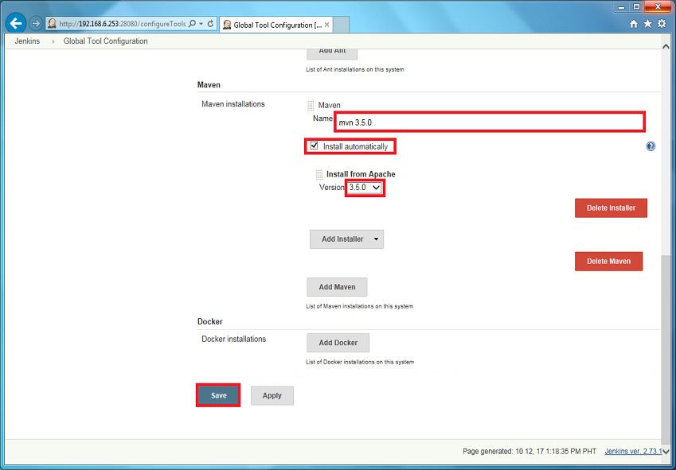

 | C.) Creating Jenkins Job with Maven Build

 | From the Jenkins dashboard, click New Item
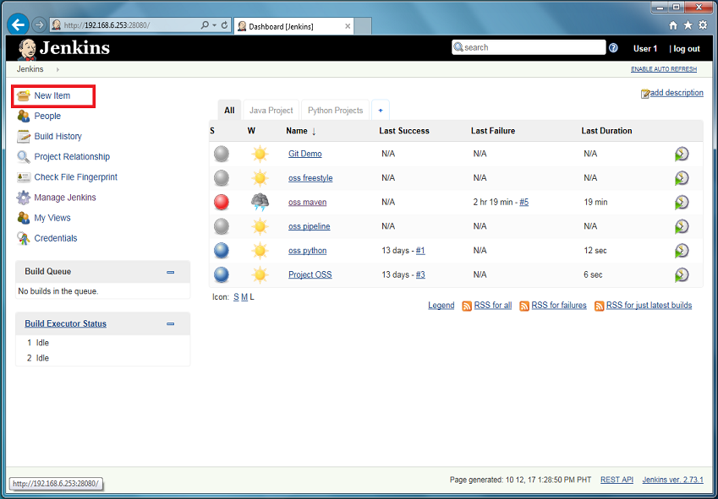

 | Input item name for the maven project, then click Maven Project and then click OK
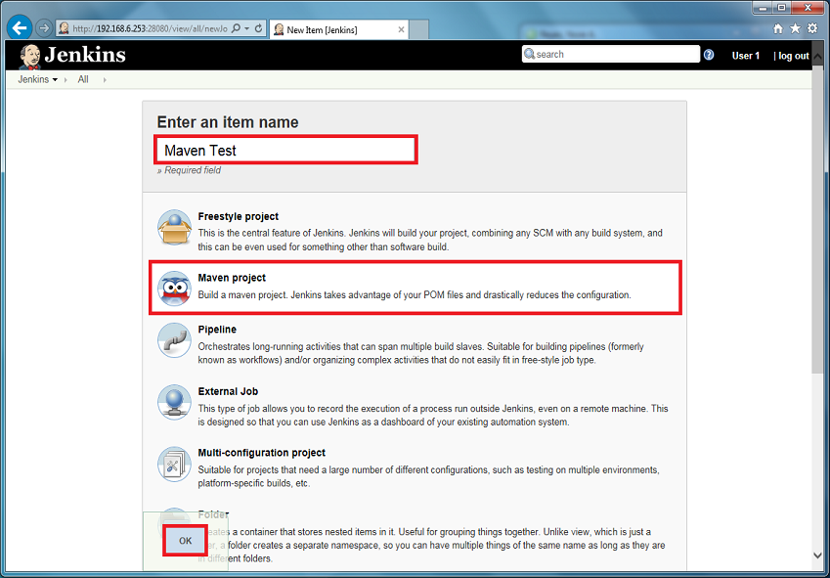

 | Configuration for new job with the maven project created will displayed.

 | From General section,
 | Input a Description for your project (Optional)
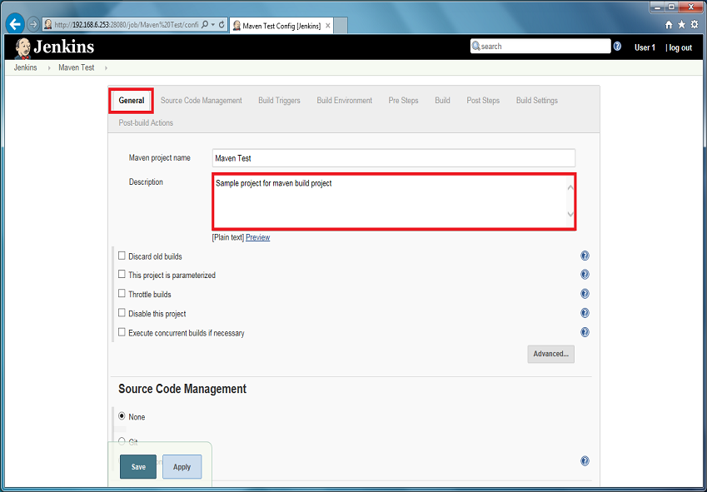

 | In Source Code Management section,
 | Click the circle beside Git, then details for Git will display.
 | Input Git URL repository using SSH
 | Select 'git' as a Credentials that were configure from previous manual (Jenkin - Git Setup)
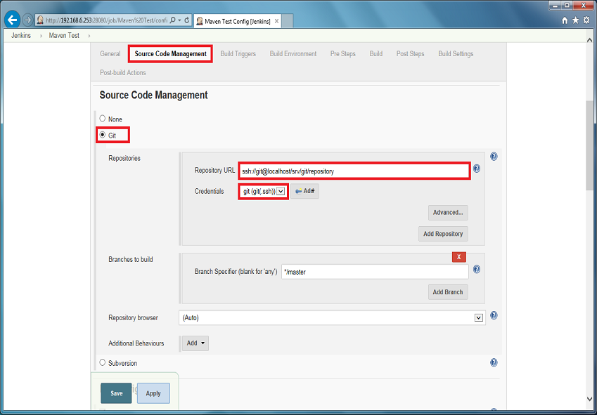

 | In Build Triggers section,
 | Check Poll SCM
 | Leave the Schedule empty to trigger by a post-commit hook
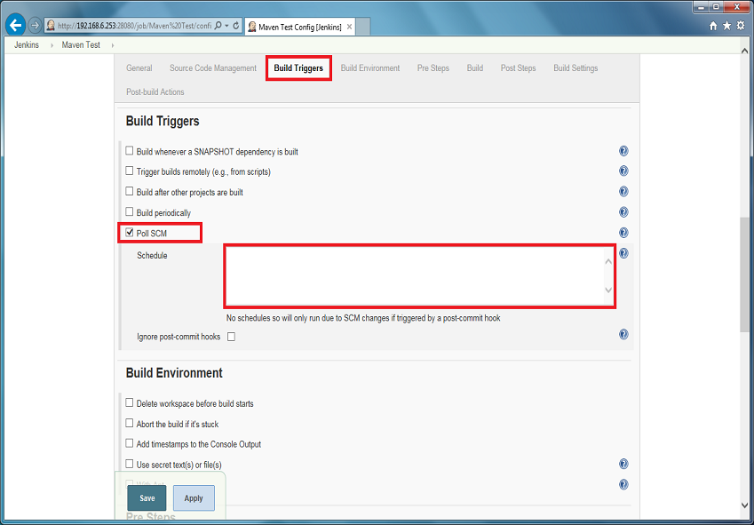

 | In the Build section,
 | Input full path of the desired project pom.xml file (by default the input is pom.xml)
 | Just input 'mvn test' for Goals and options textbox.
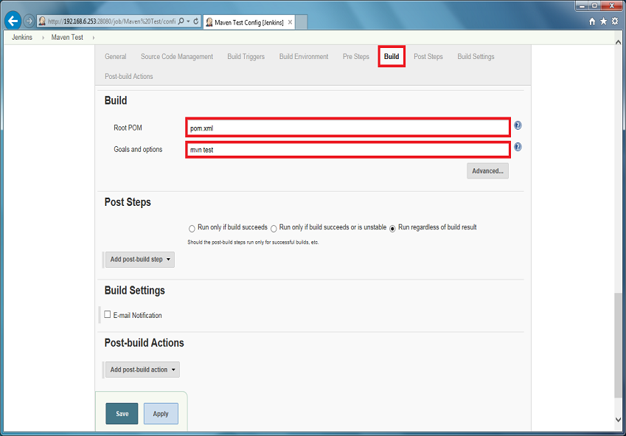

 | In Post Steps section, by default the selected item was 'Run regardless of build result'
 | After the configuration is done, click Save
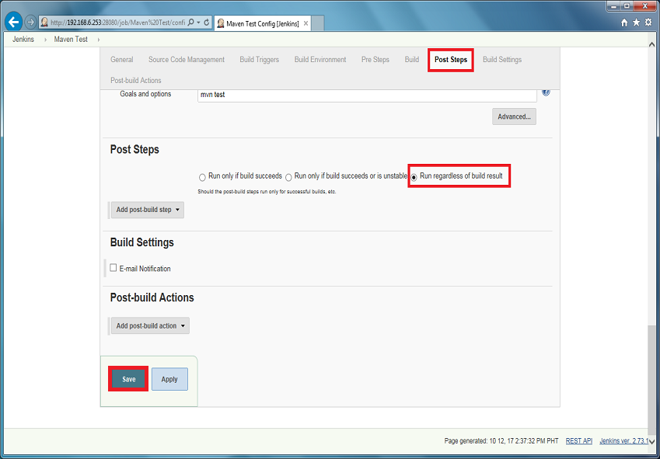

 | Now, continuous integration with maven build project is ready for build and testing.

